Sprint Medley
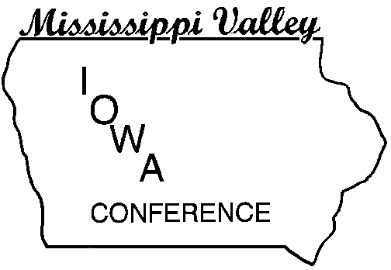
 |  | Mississippi Valley Conference
 |  | Women's Indoor Meet
 |  | UNI-Dome, Cedar Falls, Iowa
 |  | 2018-03-13
Sprint Medley

Place | Name | School | Time | Division

1 |  | Cedar Falls | 1:54.65 | Valley
2 |  | Waterloo West | 1:58.06 | Mississippi
3 |  | Cedar Rapids Kennedy | 2:00.02 | Valley
4 |  | Cedar Rapids Jefferson | 2:01.41 | Mississippi
5 |  | Dubuque Hempstead | 2:03.88 | Valley
6 |  | Cedar Rapids Prairie | 2:06.27 | Valley
7 |  | Cedar Falls | 2:08.20 | Valley
8 |  | Cedar Rapids Prairie | 2:09.37 | Valley
9 |  | Linn-Mar | 2:09.65 | Mississippi
10 |  | Dubuque Senior | 2:10.65 | Valley
11 |  | Dubuque Hempstead | 2:11.44 | Valley
12 |  | Cedar Rapids Xavier | 2:11.72 | Mississippi
13 |  | Linn-Mar | 2:15.95 | Mississippi
14 |  | Iowa City West | 2:18.80 | Mississippi
15 |  | Cedar Rapids Kennedy | 2:20.23 | Valley
16 |  | Cedar Rapids Washington | 2:21.55 | Valley
17 |  | Dubuque Wahlert | 2:22.15 | Mississippi
18 |  | Cedar Rapids Washington | 2:31.19 | Valley
 |  | Iowa City High | No Entry | Valley
 |  | Waterloo East | No Entry | Mississippi
 |  | Cedar Falls |  | Valley
 |  | Cedar Rapids Jefferson |  | Mississippi
 |  | Cedar Rapids Jefferson |  | Mississippi
 |  | Cedar Rapids Kennedy |  | Valley
 |  | Cedar Rapids Prairie |  | Valley
 |  | Cedar Rapids Washington |  | Valley
 |  | Cedar Rapids Xavier |  | Mississippi
 |  | Cedar Rapids Xavier |  | Mississippi
 |  | Dubuque Hempstead |  | Valley
 |  | Dubuque Senior |  | Valley
 |  | Dubuque Senior |  | Valley
 |  | Dubuque Wahlert |  | Mississippi
 |  | Dubuque Wahlert |  | Mississippi
 |  | Iowa City High |  | Valley
 |  | Iowa City High |  | Valley
 |  | Iowa City West |  | Mississippi
 |  | Iowa City West |  | Mississippi
 |  | Linn-Mar |  | Mississippi
 |  | Waterloo East |  | Mississippi
 |  | Waterloo East |  | Mississippi
 |  | Waterloo West |  | Mississippi
 |  | Waterloo West |  | Mississippi

